Introduction
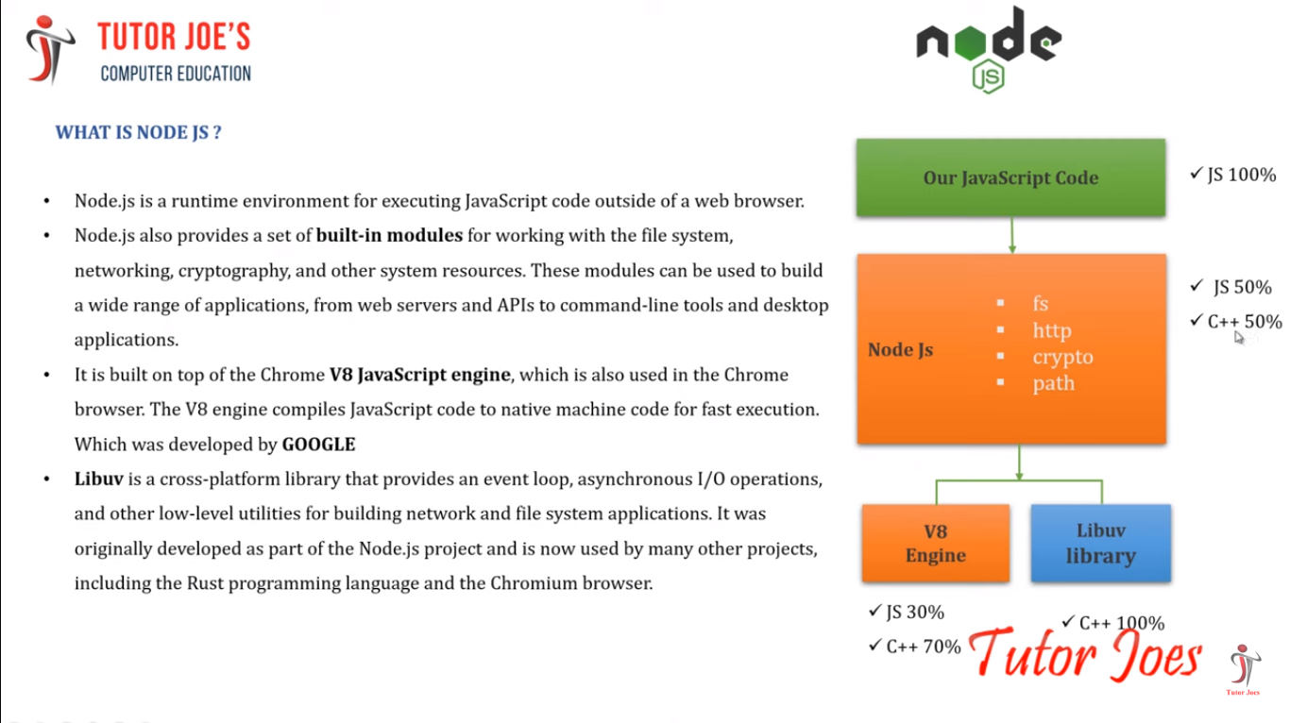
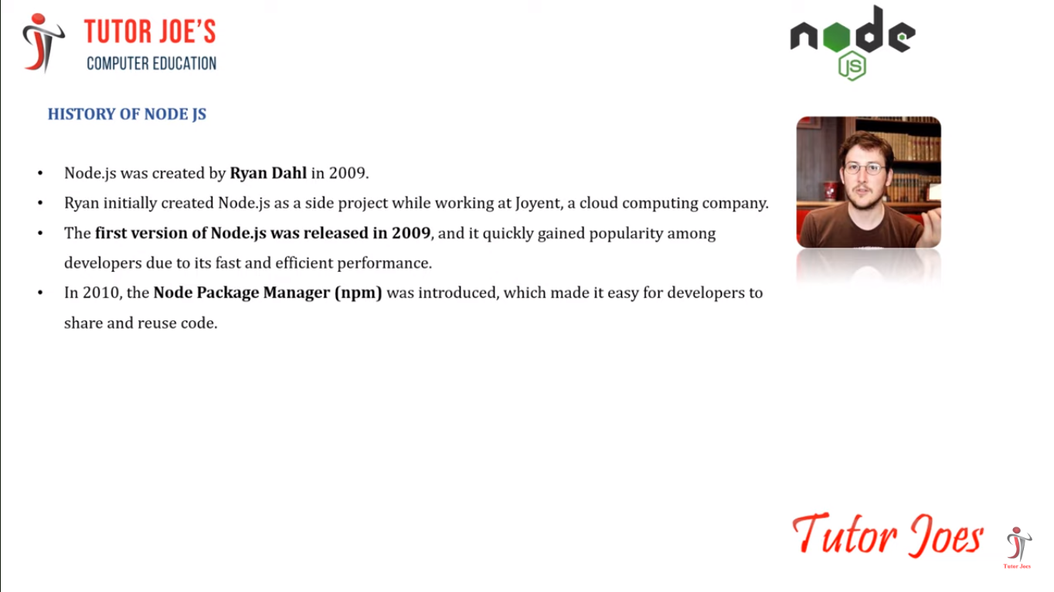
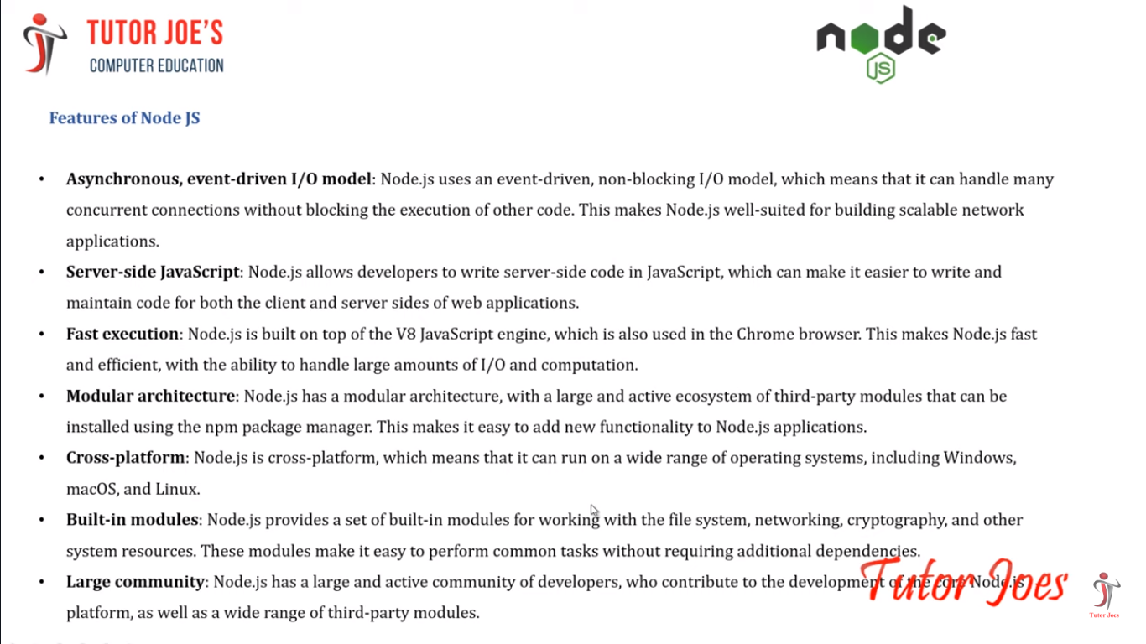
Node.js
What is Node.js?
 | Node.js is a runtime environment for executing JavaScript code outside of a web browser.
 | Node.js also provides a set of built-in modules for working with the file system, networking, cryptography, and other system resources.
 | These modules can be used to build a wide range of applications, from web servers and APIs to command-line tools and desktop applications.
 | It is built on top of the Chrome V8 JavaScript engine, which is also used in the Chrome browser.
 | The V8 engine compiles JavaScript code to native machine code for fast execution. Which was developed by GOOGLE
 | Libuv is a cross-platform library that provides an event loop, asynchronous I/O operations, and other low-level utilities for building network and file system applications. It was originally developed as part of the Node.js project and is now used by many other projects, including the Rust programming language and the Chromium browser.


HISTORY OF NODE JS
 | Node.js was created by Ryan Dahl in 2009.
 | Ryan initially created Node.js as a side project while working at Joyent, a cloud computing company.
 | The first version of Node.js was released in 2009, and it quickly gained popularity among developers due to its fast and efficient performance.
 | In 2010, the Node Package Manager (npm) was introduced, which made it easy for developers to share and reuse code.
 | In 2011, Node.js was adopted by major companies like Microsoft, IBM, and Netflix, which helped to further increase its popularity.
 | Today, Node.js is used by millions of developers around the world to build a wide range of applications, from web servers and APIs to desktop applications and IoT devices.

Features of Node JS
 | Asynchronous, event-driven I/O model:
 |  | Node.js uses an event-driven, non-blocking I/O model, which means that it can handle many concurrent connections without blocking the execution of other code.
 |  | This makes Node.js well-suited for building scalable network applications.
 | Server-side JavaScript:
 |  | Node.js allows developers to write server-side code in JavaScript, which can make it easier to write and maintain code for both the client and server sides of web applications.
 | Fast execution:
 |  | Node.js is built on top of the V8 JavaScript engine, which is also used in the Chrome browser.
 |  | This makes Node.js fast and efficient, with the ability to handle large amounts of I/O and computation.
 | Modular architecture:
 |  | Node.js has a modular architecture, with a large and active ecosystem of third-party modules that can be installed using the npm package manager.
 |  | This makes it easy to add new functionality to Node.js applications.
 | Cross-platform:
 |  | Node.js is cross-platform, which means that it can run on a wide range of operating systems, including Windows, macOS, and Linux.
 | Built-in modules:
 |  | Node.js provides a set of built-in modules for working with the file system, networking, cryptography, and other system resources.
 |  | These modules make it easy to perform common tasks without requiring additional dependencies.
 | Large community:
 |  | Node.js has a large and active community of developers, who contribute to the development of the core Node.js platform, as well as a wide range of third-party modules.

Why Node.js?

 | Node.js uses asynchronous programming!
 |  | A common task for a web server can be to open a file on the server and return the content to the client.
 |  | Here is how PHP or ASP handles a file request:
 |  |  | 1. Sends the task to the computer's file system.
 |  |  | 2. Waits while the file system opens and reads the file.
 |  |  | 3. Returns the content to the client.
 |  |  | 4. Ready to handle the next request.
 |  | Here is how Node.js handles a file request:
 |  |  | 1. Sends the task to the computer's file system.
 |  |  | 2. Ready to handle the next request.
 |  |  | 3. When the file system has opened and read the file, the server returns the content to the client.
 |  | Node.js eliminates the waiting, and simply continues with the next request.
 |  | Node.js runs single-threaded, non-blocking, asynchronous programming, which is very memory efficient.

 | What Can Node.js Do?

 |  | Node.js can generate dynamic page content
 |  | Node.js can create, open, read, write, delete, and close files on the server
 |  | Node.js can collect form data
 |  | Node.js can add, delete, modify data in your database

 | What is a Node.js File?

 |  | Node.js files contain tasks that will be executed on certain events
 |  | A typical event is someone trying to access a port on the server
 |  | Node.js files must be initiated on the server before having any effect
 |  | Node.js files have extension ".js"

Referance Images

NODE JS InstallProcess
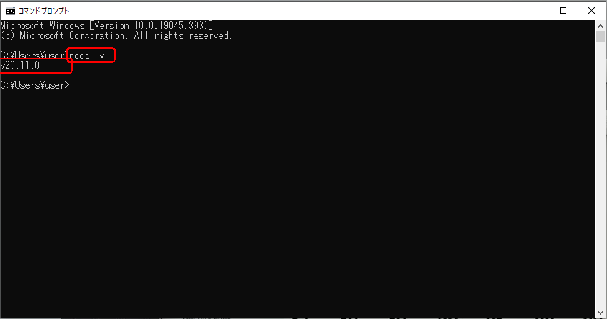
Download Node.js

Step 1 : | Go to the official Node.js website (https://nodejs.org/en/download) and download the latest version of Node.js for Windows.
 | The official Node.js website has installation instructions for Node.js: https://nodejs.org

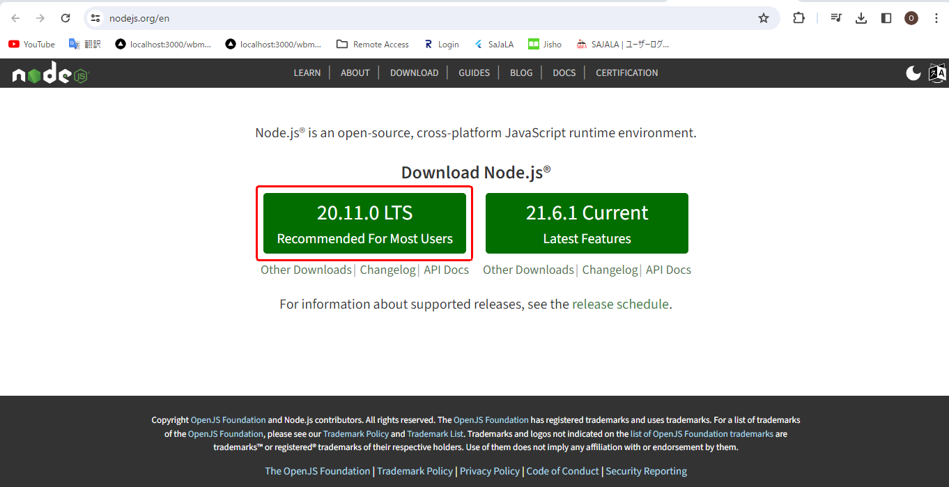

Step 2 : | Go to download folder and run the installer and select the "Install Now" option.
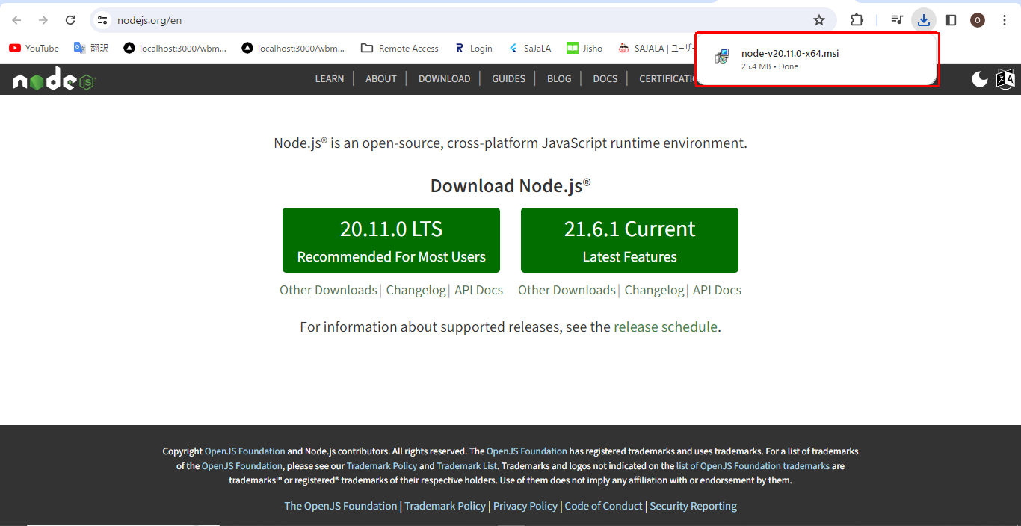

Step 3 : | Click "Next" to start install node js.
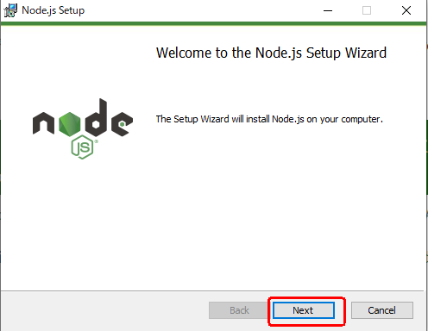

Step 4 : | Select "I accept the terms in the License Agreement" and click "Next"
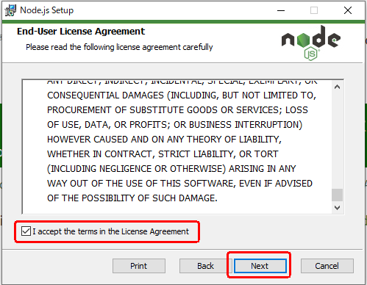

Step 5 : | Choose a custom location or click "Next" to install.
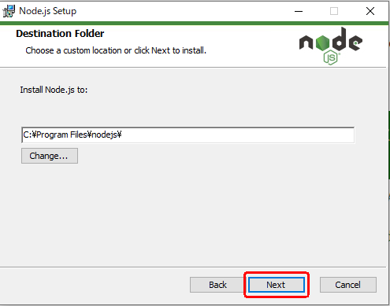

Step 6 : | Select the way you want features to be installed then click "Next" to move further step.
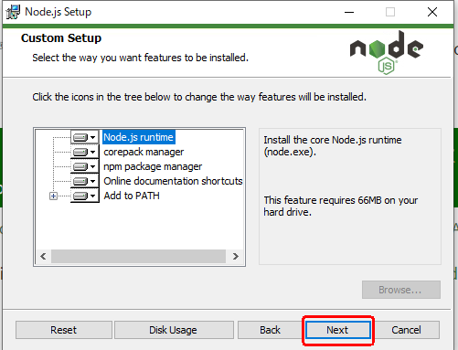

Step 7 : | Click "Next".
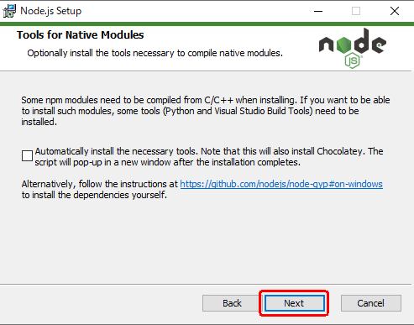

Step 8 : | Click "Install" to begin the installation.
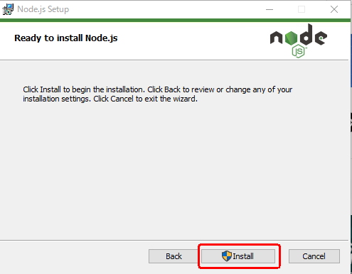

Step 9 : | Please wait while the setup wizard installs Node.js
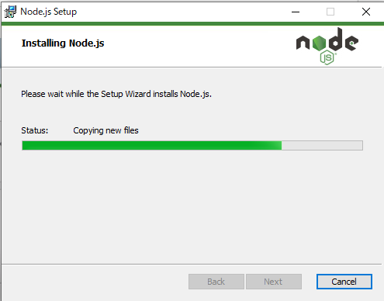

Step 10 : | Click the"Finish" button to exit the Setup.
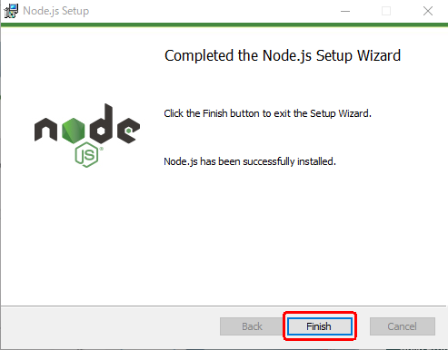

Step 11 : | After the installation is complete, open a command prompt by pressing the Windows key + R and typing "cmd" in the Run dialog box. Press Enter to open the command prompt.
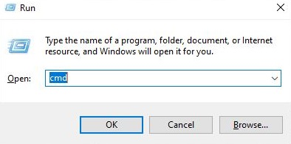

Step 11 : | In the command prompt, type "node -v" and press Enter. You should see the version of Node.js, which will look something like this:

Run On Terminal
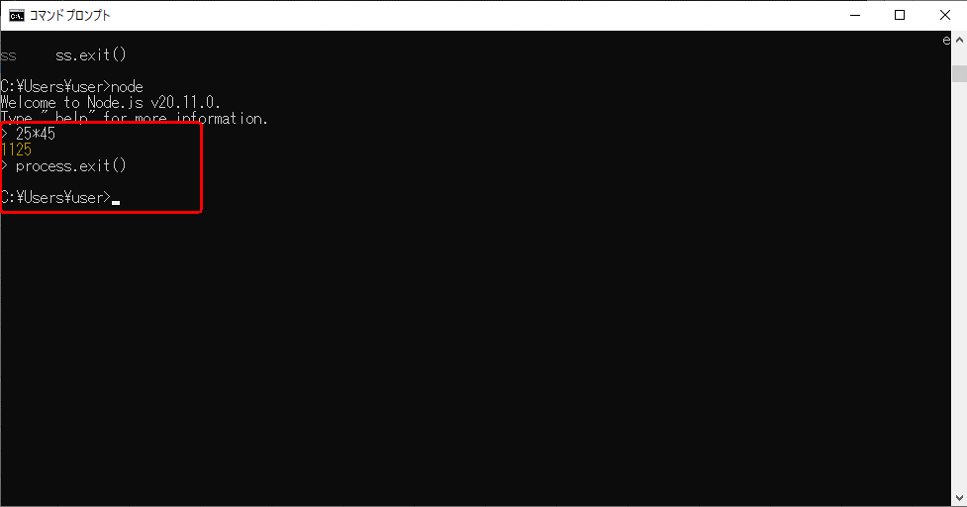
Run ON Default CMD Terminal:
 | If you want to work node.js, type "node" and press Enter.

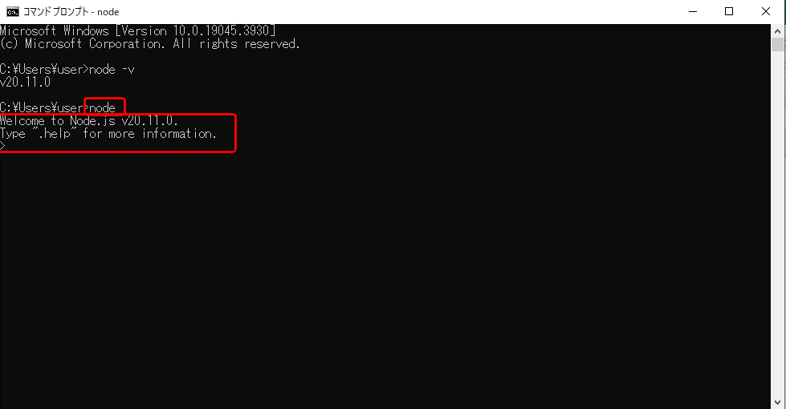

 | Arithmatic Operation in CMD is easy to run it
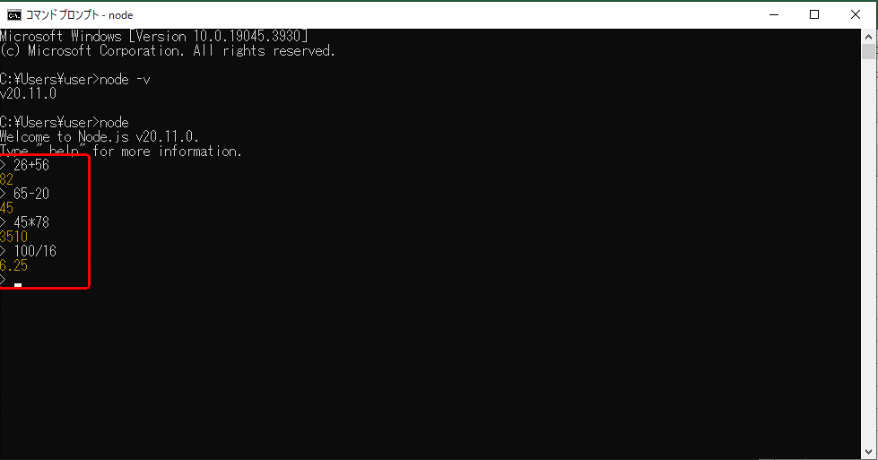

 | String Convert to Uppercase Process
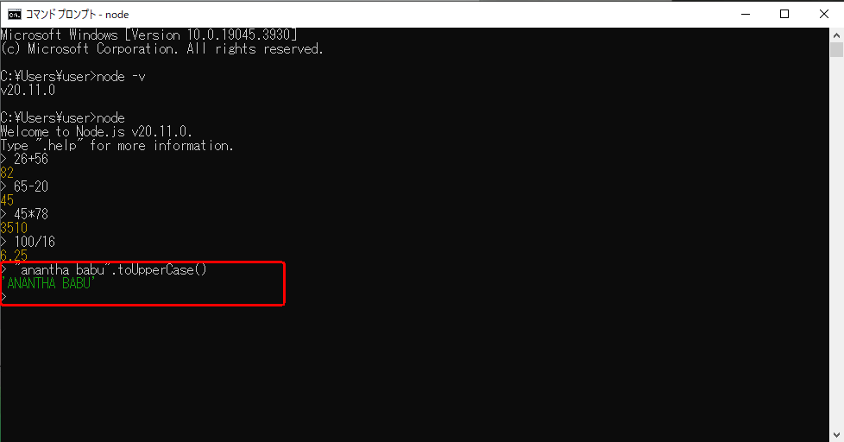

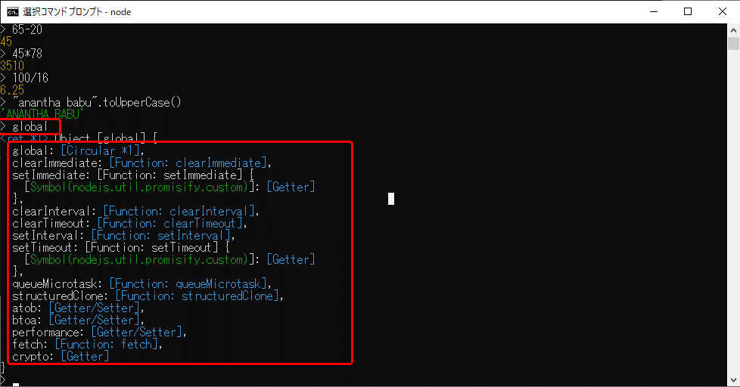

 | Document → process
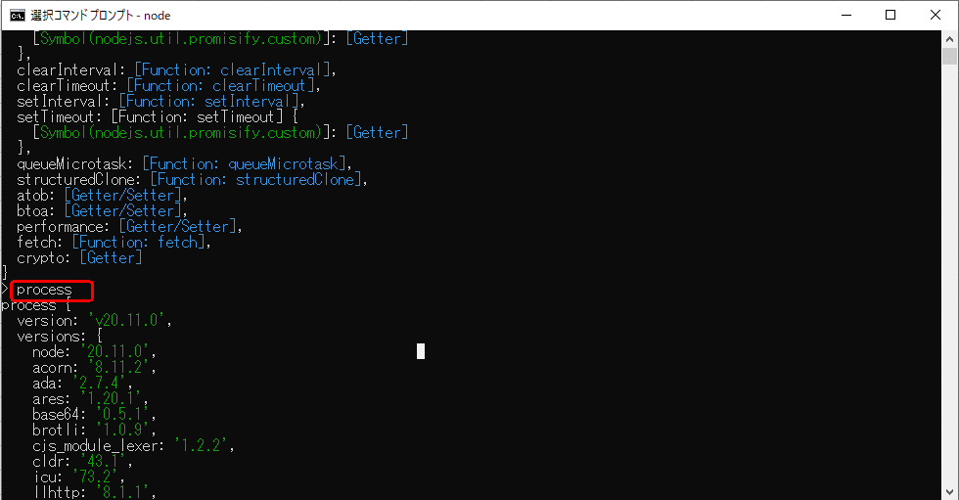

 |  | We can use for Document in javascript that canbe change to terminal in used for process key word.
How to close are exit for node js in Commend crome
 | You can close node terminal to use process.exit() this keyword

VS Code Download
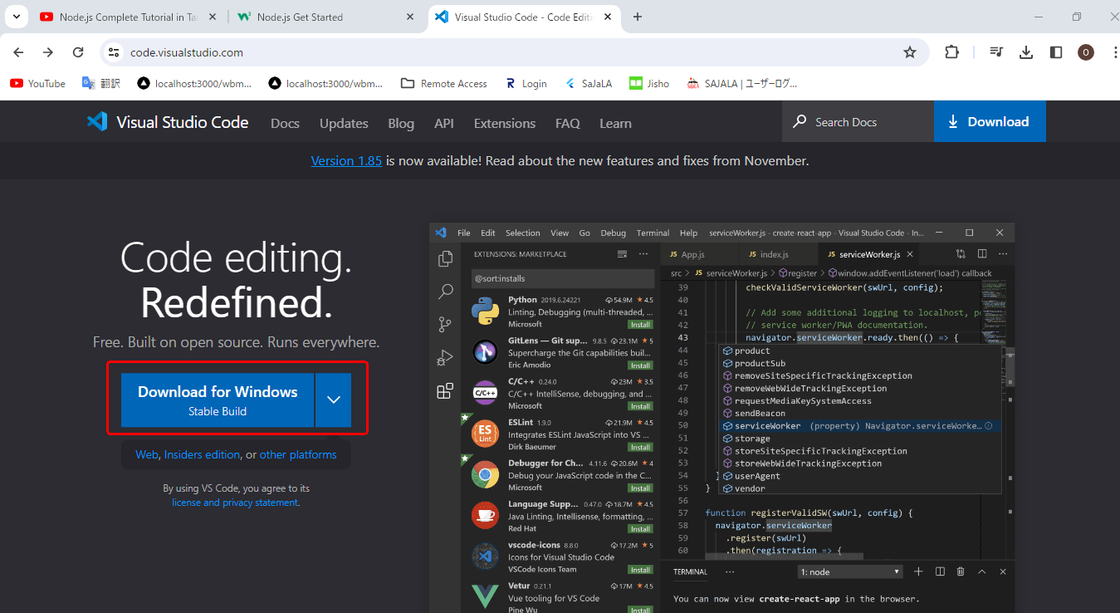
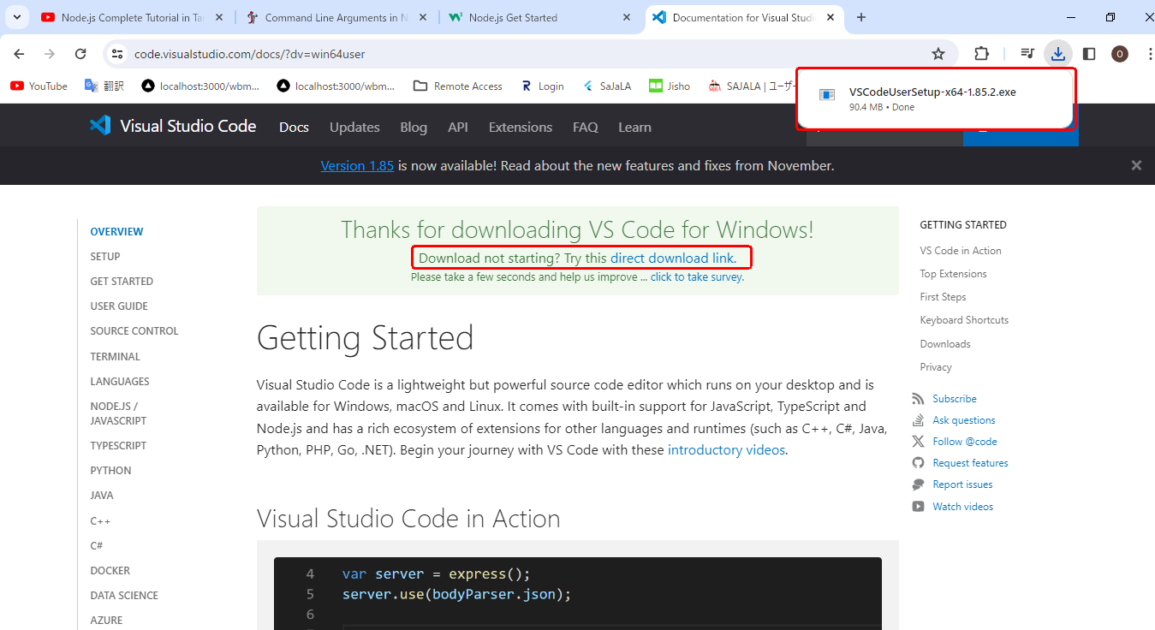
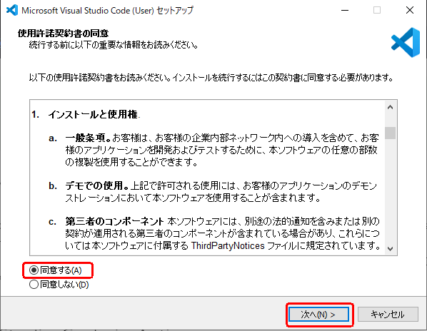
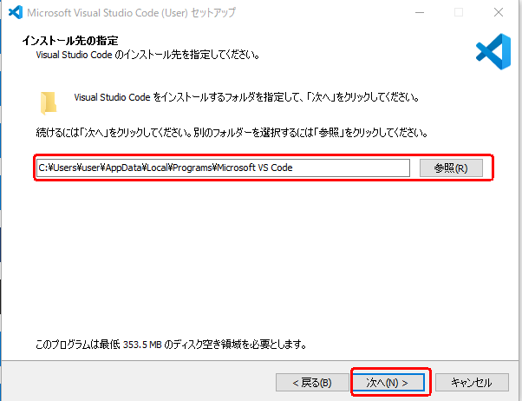
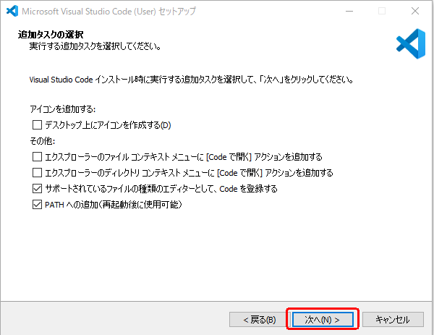
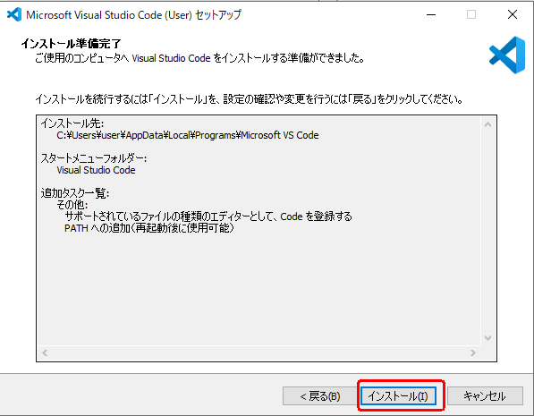
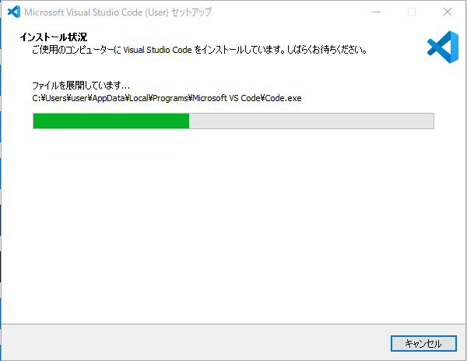
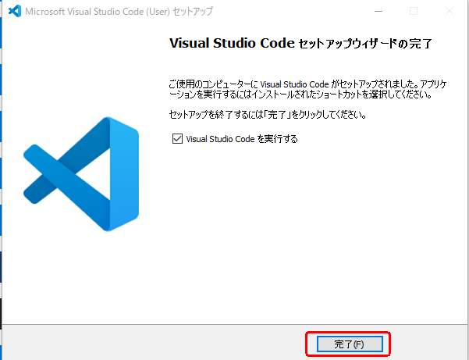
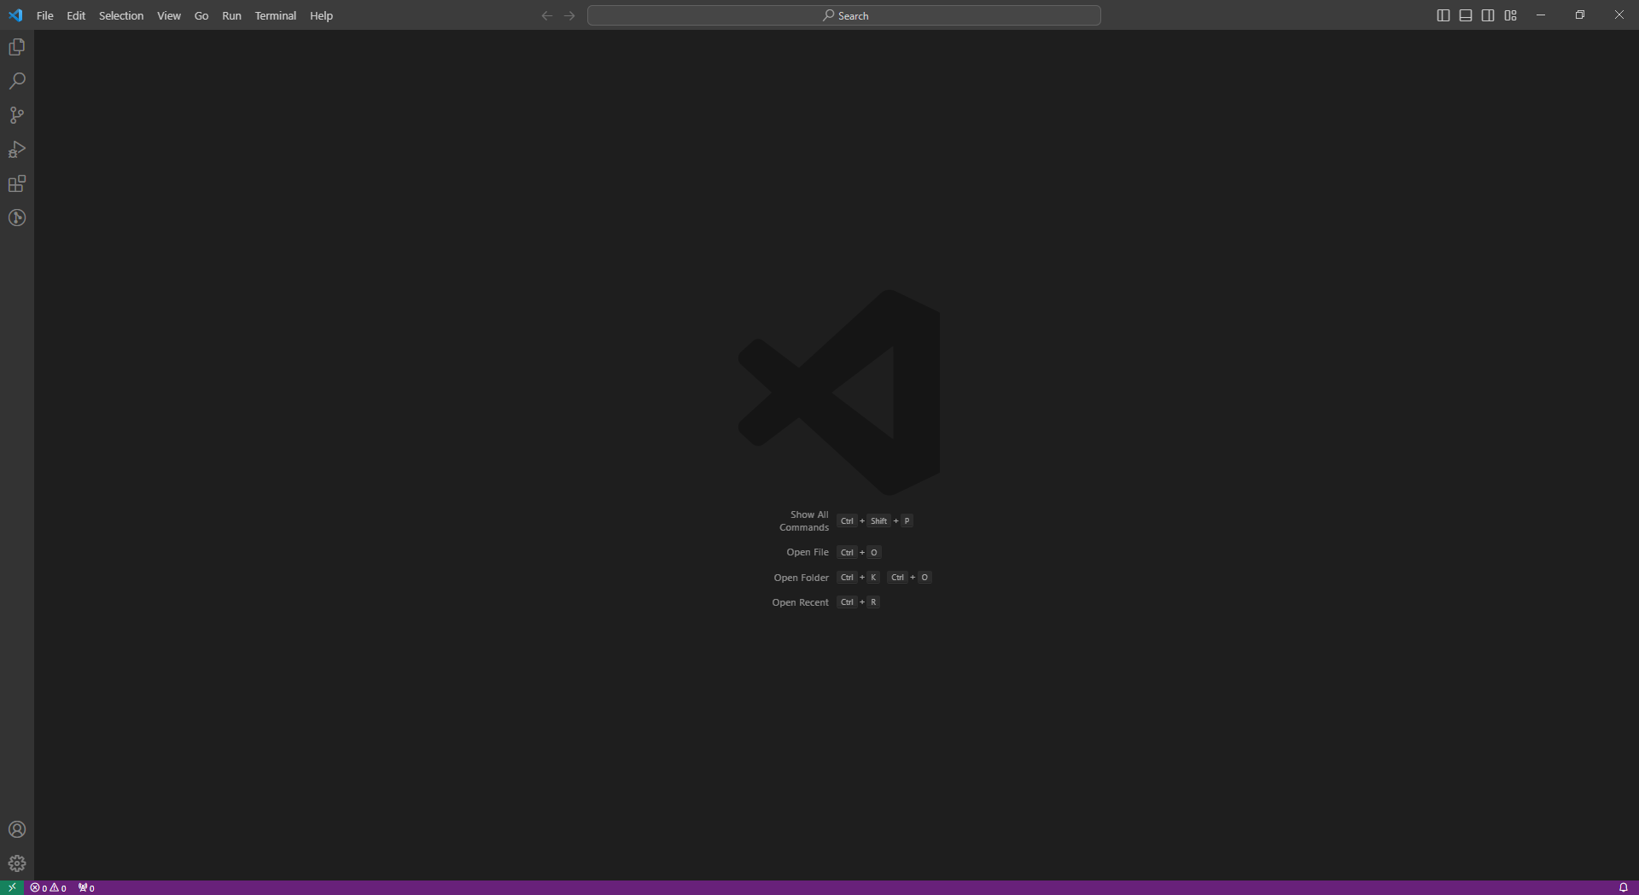
How to Download Visual Code

 | Use the Referance link For : https://code.visualstudio.com/

Create Node Js project
Create Node Js project

 | Step 1.
 |  | First you can open to which folder you can used for workspane , and after that url path you can type to cmd on your local file path location.
 |  | Exmple :
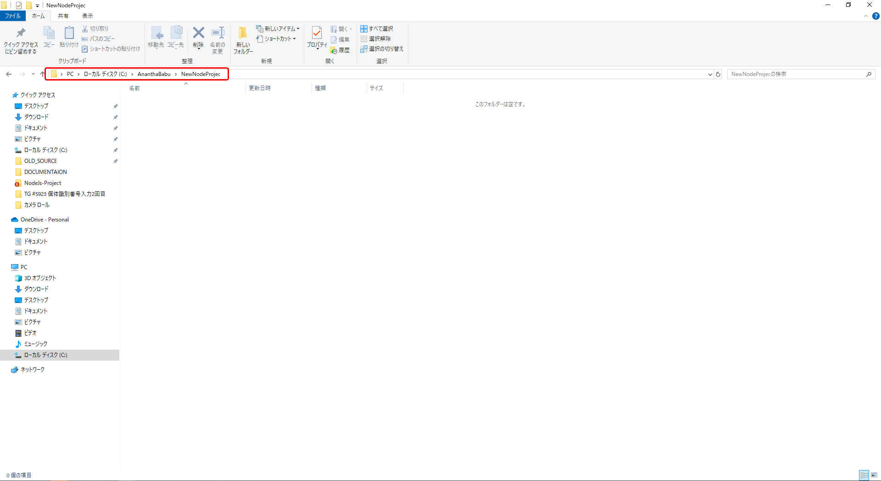

 |  | type cmd in your url path


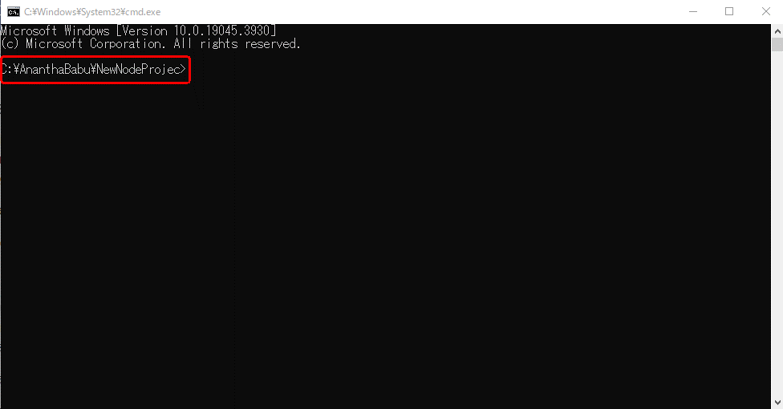

 | Step 2. | Initialize a New Project
 |  | To begin, open your terminal or command prompt and navigate to the directory where you want to create your project.
 |  | Use the following command to initialize a new Node.js project:
 |  |  | npm init
 |  | This command will prompt you to enter details such as the project name, version, description, entry point, and more.
 |  | You can press enter to accept the default values or customize them as per your requirements.
 |  |  | package name : | (your project name) | ⭆ must use to small leter to create a project
 |  |  | version : | (1.0.0) Default version
 |  |  | Description : | (What will do to create a project Explain it)
 |  |  | entry point : | (index.js) default entry name
 |  |  | test commend : | Skip to click enter
 |  |  | git command : | Skip to click enter
 |  |  | keywords : | Skip to click enter
 |  |  | authour : | Your Name
 |  |  | license : | (ISC) Default

 |  |  | Is this OK ? (yes) | Check your detail to type yes
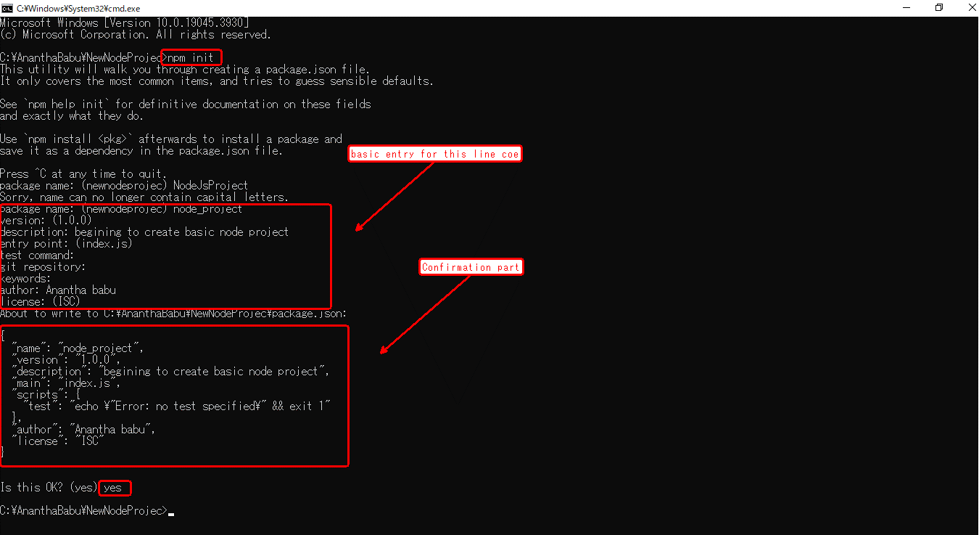

 | Step 3. | Install Dependencies
 |  | Most Node.js projects rely on external libraries or frameworks.
 |  | To install these dependencies, you need to create a package.json file by running the following command:
 |  | npm install <package-name>
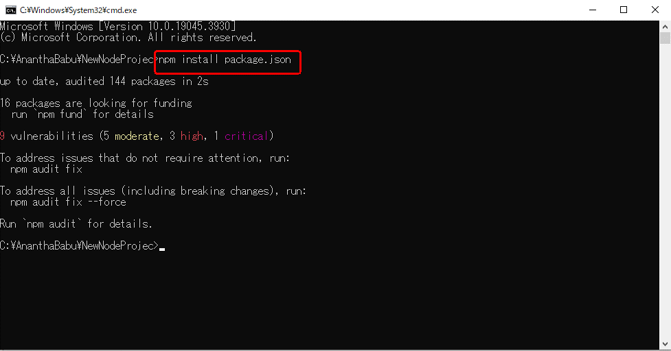

 |  | This command will download and install the Express.js package, saving it as a dependency in your package.json file.

 | Step 4. | Set Up the Project Structure
 |  | Now that you have your project initialized and dependencies installed, it's time to set up the project structure.
 |  | Create the necessary directories and files according to your project's needs.
 |  | A common structure includes directories like src for source code and public for static files.

 |  | Create the following directories and files in your project
 |  |  | views directory: contains the HTML views for your web application
 |  |  | public directory: contains static files (CSS, images, etc.)
 |  |  | index.js file: the main entry point for your application
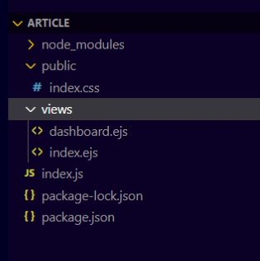

 | Step 5. | Create the Login Form
 |  | In the views directory, create a new HTML file called index.ejs Open the file and add the following code.
 |  |  | View/index.ejs
 |  |  | <!DOCTYPE html>
 |  |  | <html>
 |  |  | <head>
 |  |  | <!-- Add Bootstrap CSS -->
 |  |  | <link rel="stylesheet" href="https://stackpath.bootstrapcdn.com/bootstrap/4.5.2/css/bootstrap.min.css">
 |  |  | <link rel="stylesheet" href="/index.css">
 |  |  | <title>Login</title>
 |  |  | </head>
 |  |  | <body class="bg-light">
 |  |  | <div class="container mt-5">
 |  |  | <h1 class="mb-4">Login</h1>
 |  |  | <form action="/index" method="POST" onsubmit="return validateForm()" class="needs-validation" novalidate>
 |  |  | <div class="form-group">
 |  |  | <label for="email">Email:</label>
 |  |  | <input type="email" class="form-control" id="email" name="email" required>
 |  |  | <div class="invalid-feedback">Please enter a valid email.</div>
 |  |  | </div>
 |  |  | <div class="form-group">
 |  |  | <label for="password">Password:</label>
 |  |  | <input type="password" class="form-control" id="password" name="password" required>
 |  |  | <div class="invalid-feedback">Please enter your password.</div>
 |  |  | </div>
 |  |  | <button type="submit" class="btn btn-primary">Log In</button>
 |  |  | </form>
 |  |  | </div>

 |  |  | <script>
 |  |  | function validateForm() {
 |  |  | var email = document.getElementById('email').value;
 |  |  | var password = document.getElementById('password').value;

 |  |  | // Array of email and password pairs
 |  |  | var users = [
 |  |  | { email: 'admin@gmail.com', password: 'admin@123' },
 |  |  | { email: 'user@gmail.com', password: 'user@123' },
 |  |  | { email: 'extence@gmail.com', password: 'extence@123' }
 |  |  | ];

 |  |  | // Check if the input email and password match any user in the array
 |  |  | var isValidUser = users.some(function(user) {
 |  |  | return user.email === email && user.password === password;
 |  |  | });
 |  |  | alert(isValidUser)

 |  |  | if (isValidUser) {
 |  |  | // Valid credentials, allow form submission
 |  |  | return true;
 |  |  | } else {
 |  |  | // Invalid credentials, show alert
 |  |  | alert('Invalid email or password.');
 |  |  | return false;
 |  |  | }
 |  |  | }
 |  |  | </script>
 |  |  | </body>
 |  |  | </html>

 |  |  | Code Explanation

 |  |  | The HTML structure is enclosed within the <html>, <head>, and <body> tags.
 |  |  | The page displays a login form with the heading "Login" and two input fields: one for email and another for password.
 |  |  | The form's action attribute is set to "/index", indicating that upon form submission, the data will be sent to the /index route for processing.
 |  |  | The form's method attribute is set to "POST", indicating that the form data will be sent using the HTTP POST method.
 |  |  | The submit event handler is attached to the form, calling the validateForm() JavaScript function when the form is submitted. If the function returns true, the form submission proceeds; otherwise, if it returns false, the form submission is prevented.
 |  |  | The JavaScript function validateForm() is defined within the <script> tags. It retrieves the values of the email and password inputs and performs the validation.
 |  |  | In this example, the function checks if the entered email and password match the hard-coded valid values: admin@gmail.com for the email and admin@123 for the password.
 |  |  | If the entered email and password match the valid values, the function returns true, allowing the form submission to proceed.
 |  |  | If the entered email and password do not match the valid values, the function displays an alert message stating "Invalid email or password" and returns false, preventing the form submission.

 |  | In the views directory, create one new HTML file called dashboard.ejs. Open the file and add the following code.
 |  |  | <!DOCTYPE html>
 |  |  | <html>
 |  |  | <head>
 |  |  | <title>Dashboard</title>
 |  |  | <style>
 |  |  | body {
 |  |  | font-family: Arial, sans-serif;
 |  |  | padding: 20px;
 |  |  | background-color:rgb(164, 134, 150) ;
 |  |  | }
 |  |  | h1 {
 |  |  | text-align: center;
 |  |  | }
 |  |  | </style>
 |  |  | </head>
 |  |  | <body>
 |  |  | <h1>Welcome to the Dashboard</h1>
 |  |  | <form action="/dashboard" method="get"></form>
 |  |  | </body>
 |  |  | </html>

 |  |  | Code Explanation

 |  |  | The HTML structure is enclosed within the <html>, <head>, and <body> tags.
 |  |  | The page represents a simple dashboard view.
 |  |  | The <title> element sets the title of the page to "Dashboard", which will be displayed in the browser's title bar or tab.
 |  |  | The <style> section contains CSS code to define the styles for the page elements.
 |  |  | The body selector sets the font family to Arial or a fallback sans-serif font, adds 20 pixels of padding around the body, and sets the background color to an RGB value of (164, 134, 150), which corresponds to a shade of pink.
 |  |  | The h1 selector aligns the text of the heading to the center of the page.
 |  |  | Inside the <body> section, there is an <h1> element displaying the heading "Welcome to the Dashboard".
 |  |  | The <form> element is present, but it doesn't contain any form fields or submit buttons. It has an action attribute set to /dashboard and a method attribute set to "get". However, as the form is empty, it doesn't have any practical functionality in this code snippet.

 | Step 6. | Set Up the Server and Routes

 |  | In the index.js file, add the following code to set up the Express server and define the routes.
 |  |  | const express = require('express');
 |  |  | const bcrypt = require('bcrypt');
 |  |  | const app = express();

 |  |  | app.set('view engine', 'ejs');

 |  |  | // Set up middleware to parse request bodies
 |  |  | app.use(express.urlencoded({ extended: false }));

 |  |  | // Serve static files from the public directory
 |  |  | app.use(express.static('./public'));

 |  |  | // Route to serve the login form
 |  |  | app.get('/', (req, res) => {
 |  |  | res.render('index.ejs');
 |  |  | });

 |  |  | // Route to handle login form submission
 |  |  | app.post('/index', (req, res) => {
 |  |  | const { email, password } = req.body;

 |  |  | // Array of email and password pairs
 |  |  | var users = [
 |  |  | { email: 'admin@gmail.com', password: 'admin@123' },
 |  |  | { email: 'user@gmail.com', password: 'user@123' },
 |  |  | { email: 'extence@gmail.com', password: 'extence@123' }
 |  |  | ];

 |  |  | // Check if the input email and password match any user in the array
 |  |  | var isValidUser = users.some(function(user) {
 |  |  | return user.email === email && user.password === password;
 |  |  | });

 |  |  | if (isValidUser) {
 |  |  | // Valid credentials, allow form submission
 |  |  | res.redirect('/dashboard');
 |  |  | } else {
 |  |  | // Invalid credentials, show alert
 |  |  | res.send('Invalid Email or password.');
 |  |  | }
 |  |  | });

 |  |  | app.get('/dashboard', (req, res) => {
 |  |  | res.render('dashboard.ejs');
 |  |  | });

 |  |  | // Start the server
 |  |  | const port = 3000;
 |  |  | app.listen(port, () => {
 |  |  | console.log(`Server is running on http://localhost:${port}`);
 |  |  | });

 |  |  | const express = require('express');
 |  |  | const bcrypt = require('bcrypt');
 |  |  | const app = express();
 |  |  | app.set('view engine', 'ejs');
 |  | Code Explanation
 |  |  | The code imports the required dependencies, including Express and bcrypt.
 |  |  | The app.set('view engine', 'ejs') line configures the server to use EJS as the template engine for rendering views.

 |  |  | app.use(express.urlencoded({ extended: false }));
 |  |  |  | This line sets up middleware to parse the request bodies and make it accessible via req.body in your routes.

 |  |  | app.use(express.static('./public'));
 |  |  |  | This line serves as static files from the public directory, making them accessible on the server.

 |  |  | app.get('/', (req, res) => { res.render('index.ejs'); });

 |  |  |  | Code Explanation

 |  |  |  | This route handles the GET request to the root URL ('/').
 |  |  |  | It renders the index.ejs view using res.render(). The .ejs extension is automatically appended due to the configuration set earlier.

 |  |  | // Route to handle login form submission
 |  |  | app.post('/index', (req, res) => {
 |  |  | const { email, password } = req.body;

 |  |  | // Array of email and password pairs
 |  |  | var users = [
 |  |  | { email: 'admin@gmail.com', password: 'admin@123' },
 |  |  | { email: 'user@gmail.com', password: 'user@123' },
 |  |  | { email: 'extence@gmail.com', password: 'extence@123' }
 |  |  | ];

 |  |  | // Check if the input email and password match any user in the array
 |  |  | var isValidUser = users.some(function(user) {
 |  |  | return user.email === email && user.password === password;
 |  |  | });

 |  |  | if (isValidUser) {
 |  |  | // Valid credentials, allow form submission
 |  |  | res.redirect('/dashboard');
 |  |  | } else {
 |  |  | // Invalid credentials, show alert
 |  |  | res.send('Invalid Email or password.');
 |  |  | }
 |  |  | });

 |  |  | Code Explanation

 |  |  |  | This route handles the POST request to the /index URL.
 |  |  |  | It retrieves the email and password from the req.body.
 |  |  |  | Performs authentication by comparing the entered credentials with hard-coded valid credentials.
 |  |  |  | If the credentials match, it redirects the user to the /dashboard URL.
 |  |  |  | If the credentials are invalid, it sends a response with the message "Invalid Email or password."

 |  |  | app.get('/dashboard', (req, res) => {
 |  |  | res.render('dashboard.ejs');
 |  |  | });

 |  |  | // Start the server
 |  |  | const port = 3000;
 |  |  | app.listen(port, () => {
 |  |  | console.log(`Server is running on http://localhost:${port}`);
 |  |  | });

 |  |  | Code Explanation

 |  |  |  | This code starts the server and listens on port 3000.
 |  |  |  | When the server starts, it logs a message to the console indicating the server is running.
 |  |  |  | That's the explanation of the code you provided. It sets up a basic server, handles user authentication with hard-coded credentials, and renders views using EJS. You can customize the views and add more functionality as per your project requirements.

 | Step 7.
 |  | Add Following lines in pagage.json to declare to inside the script
 |  |  | "scripts": {
 |  |  | "test": "echo \"Error: no test specified\" && exit 1",
 |  |  | "start": "node index.js",
 |  |  | "dev": "nodemon index.js"
 |  |  | },

 | Step 8. | Run Your Project

 |  | In your terminal, run the following command to start the server.
 |  |  | npm run dev

 |  |  | This command will start your application, and you'll be able to access it through your browser or an API testing tool like Postman.
 |  |  | Open your browser and visit http://localhost:3000 to see the login form.
 |  |  | You can enter "admin" for both the username and password (as per our hard-coded credentials) to see the success message.

 |  | Output
 |  |  | When you hit http://localhost:3000 this URL, you can see the login form.
 |  |  | Enter As Incorrect password
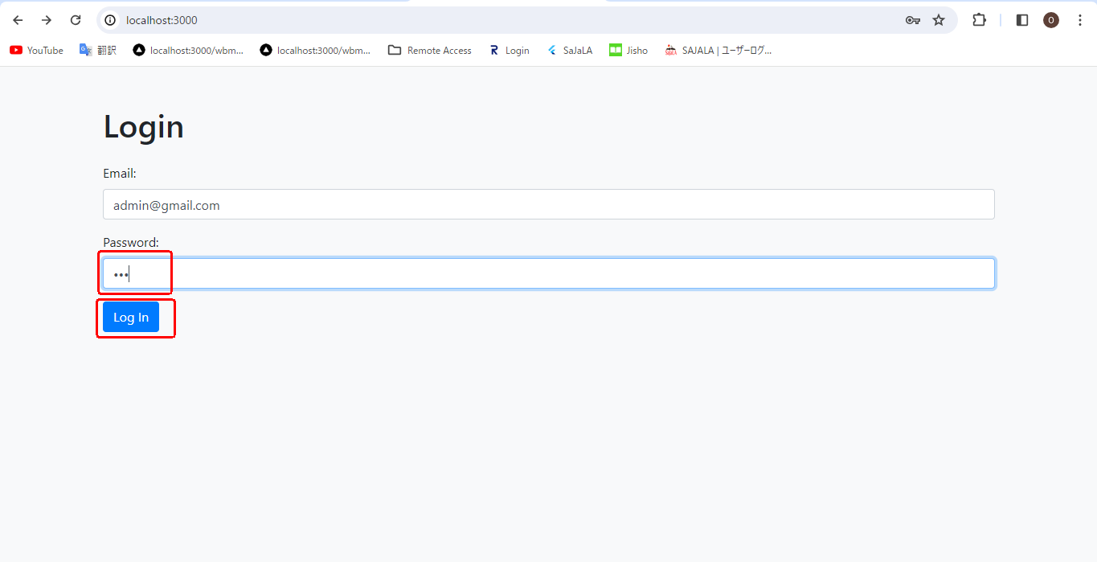
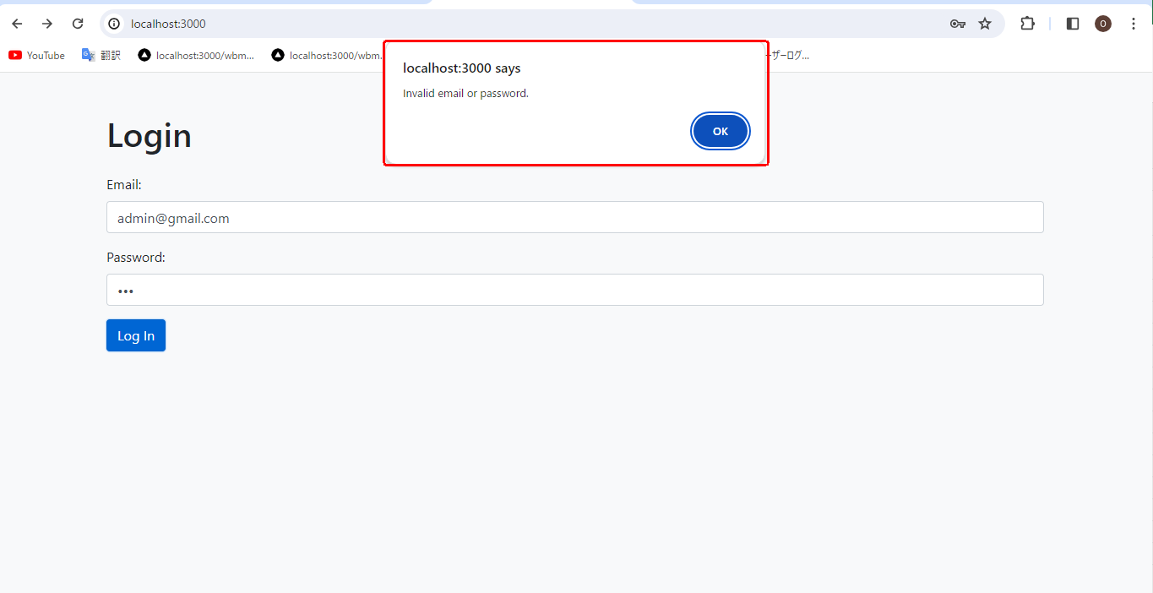

 |  |  |  |  |  | → | →

 |  |  | Enter As correct password

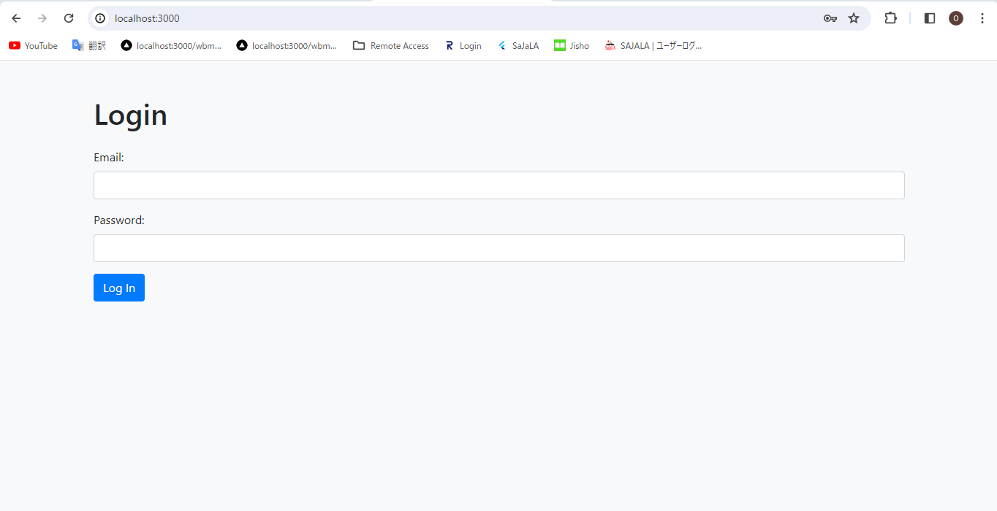
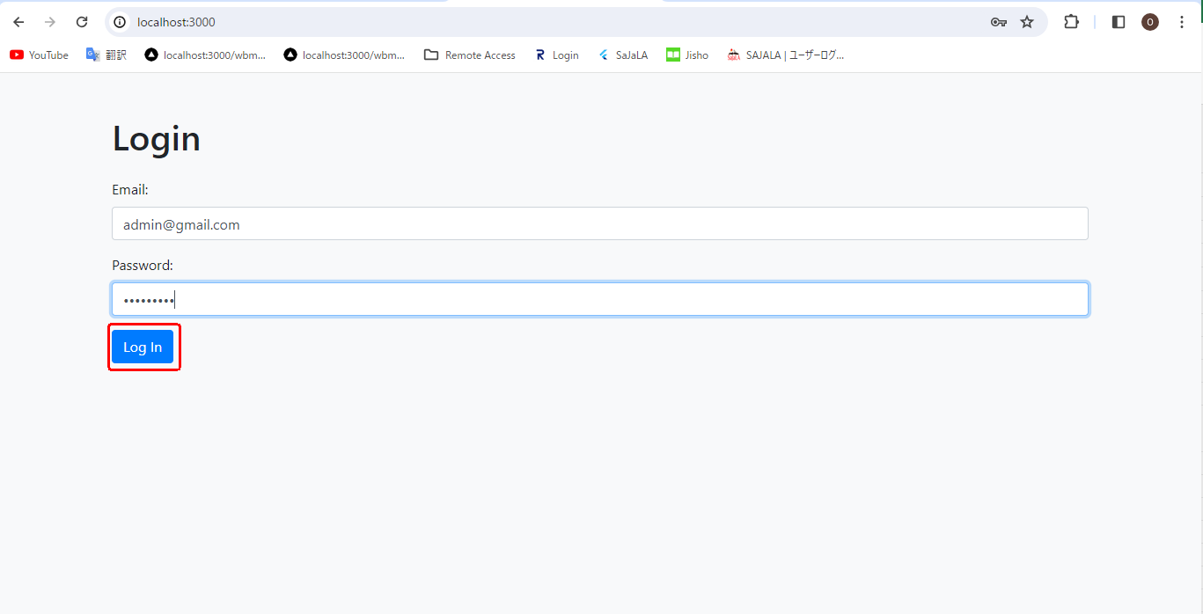
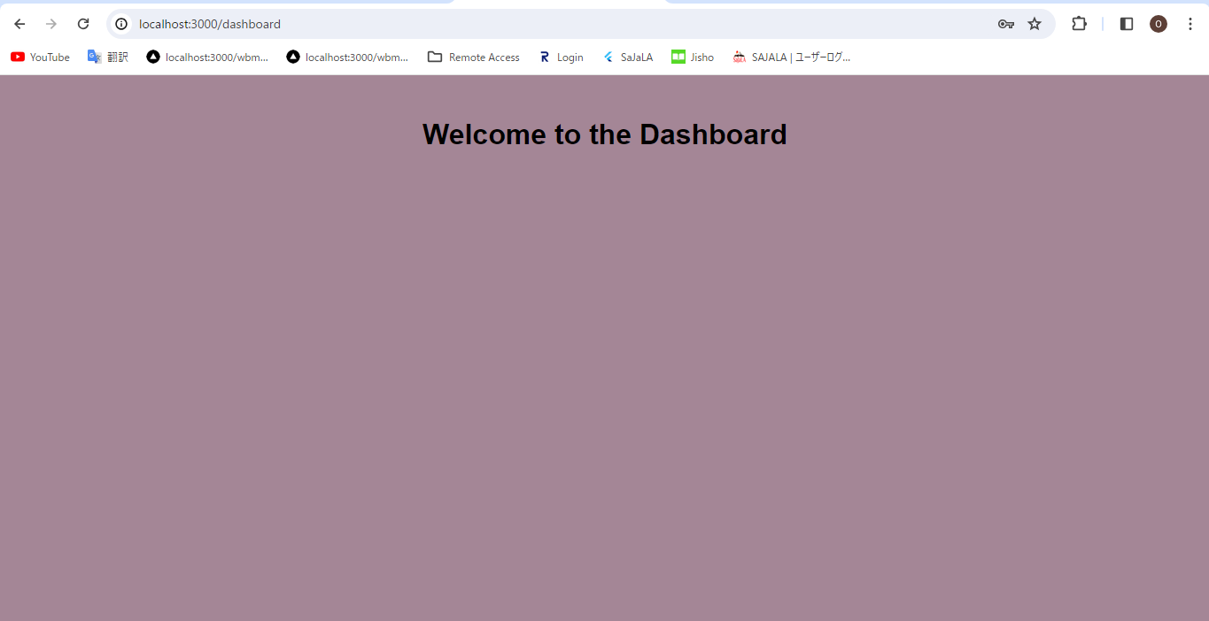

 |  |  |  |  |  | → | →

 | Conclusion
 |  | In this article, we've created a basic login form and user authentication system using Node.js.
 |  | Remember, in a real-world scenario, you would typically integrate a database to store user credentials securely, use sessions or tokens for authentication, and implement additional security measures.
 |  | However, this project provides a starting point for understanding the basic concepts of handling a login form and authenticating users in Node.js.
 |  | we covered the essential steps involved, from initializing a new project to running it on your local machine.
 |  | Remember to continue exploring and experimenting with different libraries and frameworks to enhance your Node.js skills.

FolderStructure
Folder structure for a Node JS project
 | Folder Structure Overview:
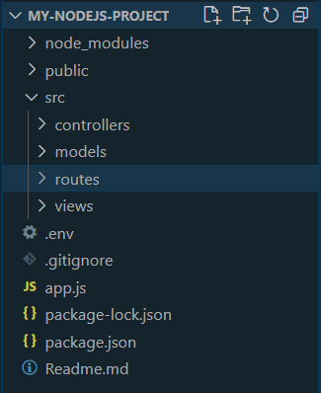

 |  | Folder structure contains the files and folders that are present in the directory.
 |  | There are multiple files and folders, for example, api, config, models, services, subscribers, app.js, server.js, package-lock.json, package.json, readme.md, etc.
 | Steps to create Folder Structure
 |  | Step 1: | Open the terminal and go to the path where you want to create the project and create a folder with your project name.
 |  |  | mkdir folder_name

 |  | Step 2: | Run the command npm init to initialized the node project. This will create the package.json file
 |  |  | npm init

 |  | Step 3: | Install the dependencies like express, nodemon etc. This will create package-lock.json file and node_modules folder.
 |  |  | npm i express nodemon

 |  | Step 4: | Run the command git-init to initialized the git in the project. This will add .gitignore file.
 |  |  | git init

 |  | Step 5:

 | Files and folders details
 |  | Node Modules:
 |  |  | This folder contains the files and folders regarding installed files and dependencies that are used in this project.
 |  |  | All the installation files for dependencies are stored in node modules.

 |  | Node Modules:

 |  | Package.json:
 |  |  | This file contains the data and details of all dependencies installed in your project.
 |  |  | Express is a kind of dependency that is used to establish a server, so this file will contain all the details regarding Express, like version and installed.

 |  | App.js:
 |  |  | It is the entrypoint file of the server, which contains the main routes of the application and server ports from which the server will start listening, as well as the basic routes used in this application.

 |  | .gitignore:
 |  |  | Git ignore is a file that contains files and folders that should not be pushed to the server.
 |  |  | The git ignore file is used to stop pushing files from the server, like node module files, which should not be pushed to the server because they can easily be installed with the package.json file.

 |  | .env:
 |  |  | The env file stands for Environmental Variables of Application.
 |  |  | This file contains details about environment variables like API keys, the private salt of a Payment Gateway, and many other details that should be kept private.

 |  | Readme.md:
 |  |  | This is a markdown file where we write down information about your project, like all development details about your application.

Hello World Program
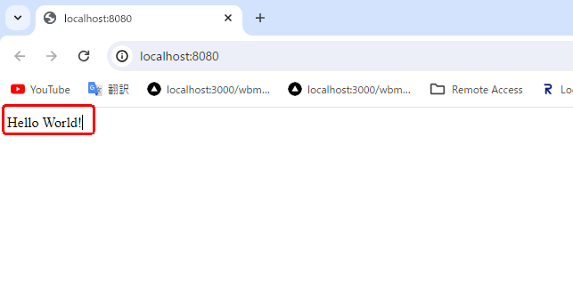
Create a New Project

 | Open Visuual Studio And click 'File' tab And Click Open Folder

 | Select or create New Folder to Open Visvual studio code
 |  | I'm Select For Sample Node Project in my window and create a olter Inside the main folder
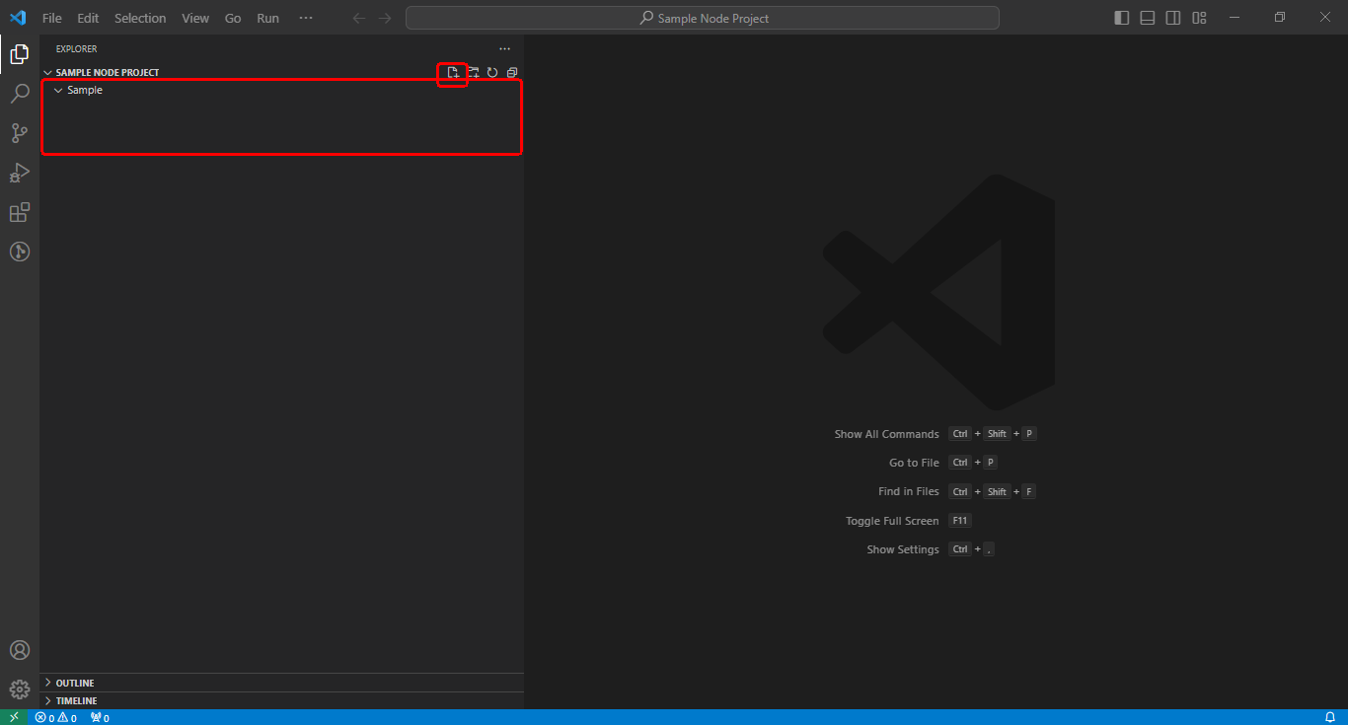

 | Create intro.js file to insert for this code line

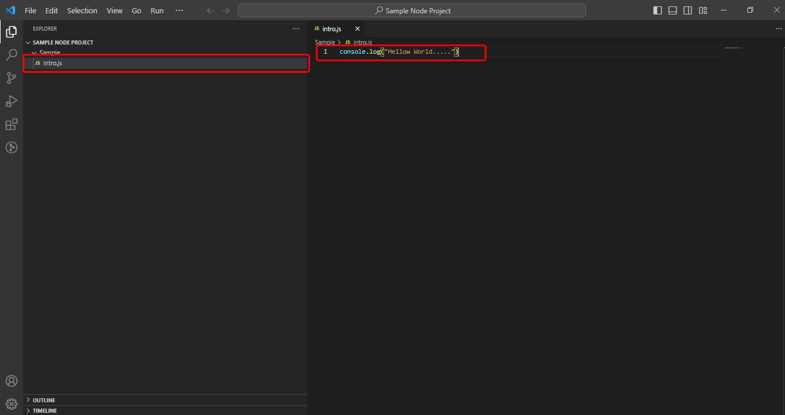

 | Open Terminal and Type node ./Sample/intro.js
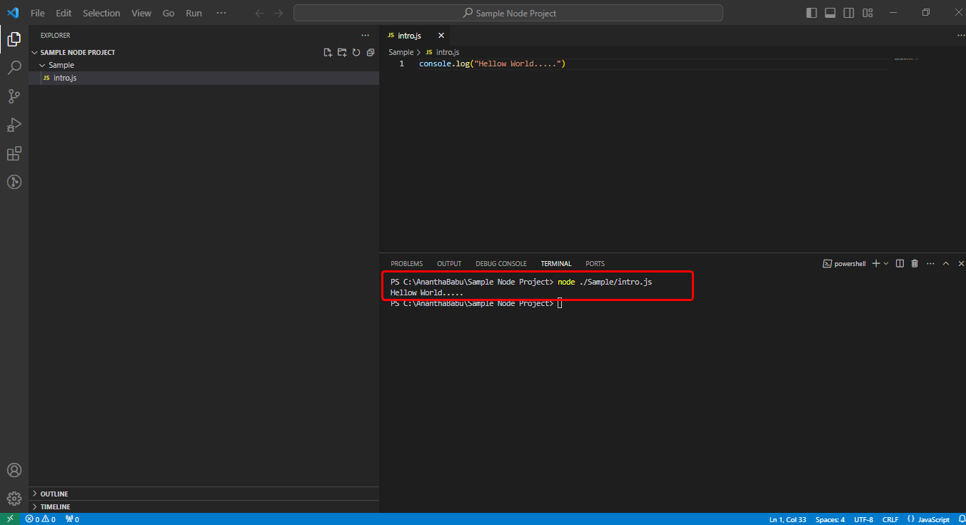

Getting Started
 | Once you have downloaded and installed Node.js on your computer, let's try to display "Hello World" in a web browser.
 | Create a Node.js file named "myfirst.js", and add the following code:

 |  | var http = require('http');

 |  | http.createServer(function (req, res) {
 |  | res.writeHead(200, {'Content-Type': 'text/html'});
 |  | res.end('Hello World!');
 |  | }).listen(8080);

 | The code tells the computer to write "Hello World!" if anyone (e.g. a web browser) tries to access your computer on port 8080.
Command Line Interface
 | Node.js files must be initiated in the "Command Line Interface" program of your computer.
 | How to open the command line interface on your computer depends on the operating system.
 | For Windows users, press the start button and look for "Command Prompt", or simply write "cmd" in the search field.
 | Navigate to the folder that contains the file "myfirst.js", the command line interface window should look something like this:

 |  | C:\Users\Your Name>_

Initiate the Node.js File
 | The file you have just created must be initiated by Node.js before any action can take place.
 | Start your command line interface, write node MyFirstFile/myfirst.js and hit enter:
 | Now, your computer works as a server!

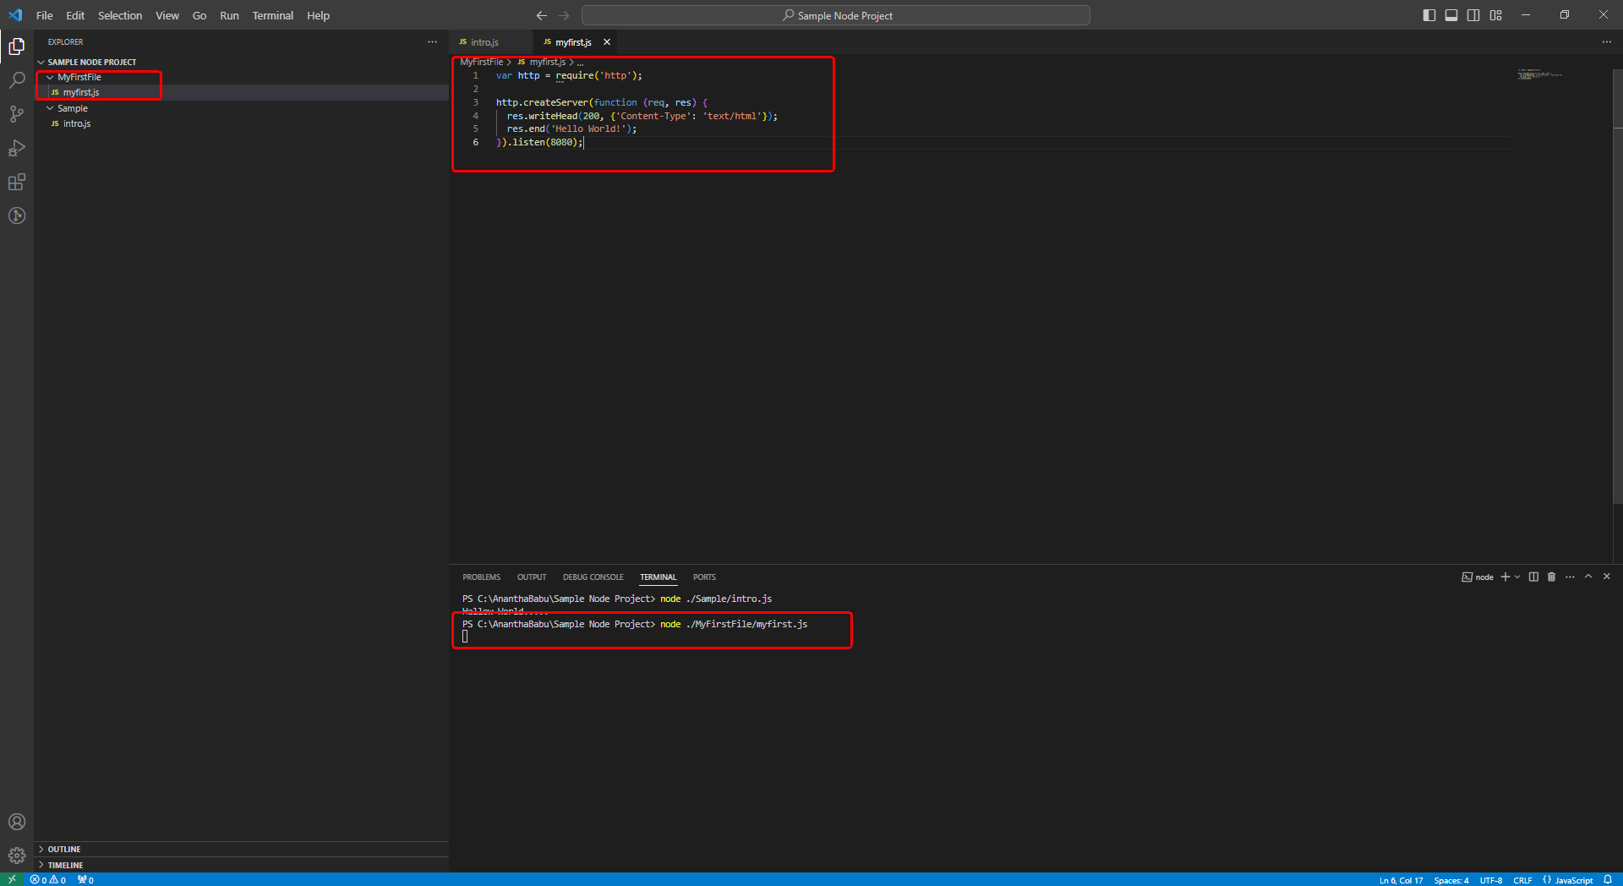

 | If anyone tries to access your computer on port 8080, they will get a "Hello World!" message in return!

 | Start your internet browser, and type in the address: http://localhost:8080

Login Process With MongoDb
Login Process With MongoDb

 | Step1: | Create a structure of File to refer below Structue
 |  |  | |- src/
 |  |  | | |- Common/
 |  |  | | | |- DBConeection.js
 |  |  | | |- controllers/
 |  |  | | | |- Authentication/
 |  |  | | | | |- authController.js
 |  |  | | |- services/
 |  |  | | | |- Authentication/
 |  |  | | | | |- authService.js
 |  |  | | |- views/
 |  |  | | | |- Dashboard/
 |  |  | | | | |- dashboard.ejs
 |  |  | | | |- LoginFail/
 |  |  | | | | |- loginFail.ejs
 |  |  | | | |- Login/
 |  |  | | | | |- login.ejs
 |  |  | |- server.js
 |  |  | |- package.json

 | Step 2 : | paste the below code for src/Common/DBConnectionFile

 |  |  | Below code Enter you own url,dbName
 |  |  | url : | <Your mongoDB url>
 |  |  | dbName: | <Your Document(dataBase) Name>

 |  |  | // src/services/Common/DBConnectionService.js
 |  |  | const { MongoClient } = require('mongodb');

 |  |  | const url = 'mongodb://localhost:27017';
 |  |  | const dbName = 'loginDatabase';

 |  |  | let db;

 |  |  | // Check Connection
 |  |  | async function connect() {
 |  |  | try {
 |  |  | const client = new MongoClient(url);
 |  |  | await client.connect();
 |  |  | db = client.db(dbName);
 |  |  | console.log('Connected to MongoDB');
 |  |  | } catch (error) {
 |  |  | console.error('Error connecting to MongoDB:', error);
 |  |  | }
 |  |  | }

 |  |  | function getDb() {
 |  |  | return db;
 |  |  | }

 |  |  | module.exports = {
 |  |  | connect,
 |  |  | getDb
 |  |  | };

 | Step 3 : | Import MongoDb to using terminal commend for Below:
 |  |  | npm install mongodb

 | Step 4 : | You can see the output for this below
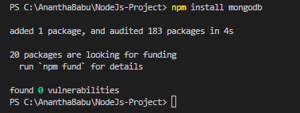

 | Step 5 : | paste the below code for src/services/Authentication/authService.js
 |  | const collection = db.collection('users'); // Assuming your collection is named 'users'
 |  | usersIs declare as your Collection(table) Name
 |  | ＊db.collection(<Collection(Table) Name>);

 |  | const bcrypt = require('bcrypt');
 |  | const dbService = require('../../Common/DBConnection');

 |  | async function authenticateUser(username, password) {
 |  | const db = dbService.getDb();
 |  | if (!db) {
 |  | throw new Error('Database connection error');
 |  | }

 |  | try {
 |  | // Find user with the provided username
 |  | const collection = db.collection('users'); // Assuming your collection is named 'users'
 |  | const user = await collection.findOne({username });
 |  | // If user doesn't exist or password doesn't match, return null
 |  | if (!user || user.password !== password) {
 |  | return null;
 |  | }

 |  | // If user exists and password matches, return the user
 |  | return user;
 |  | } catch (error) {
 |  | console.error('Error authenticating user:', error);
 |  | throw new Error('Authentication error');
 |  | }
 |  | }

 |  | module.exports = {
 |  | authenticateUser
 |  | };

 | Step 6 : | Import Bcrypt to using terminal commend for Below:
 |  |  | npm install bcrypt

 | Step 7 : | You can see the output for this below

 | Step 8 : | paste the below code for src/controllers/Authentication/authController.js
 |  |  | const authService = require('../../services/Authentication/authService');

 |  |  | async function login(req, res) {
 |  |  | const { username, password } = req.body;

 |  |  | try {
 |  |  | const user = await authService.authenticateUser(username, password);
 |  |  | if (user) {
 |  |  | req.session.user = user.username; // Set user session
 |  |  | res.redirect('/dashboard');
 |  |  | } else {
 |  |  | res.redirect('/loginFail');
 |  |  | }
 |  |  | } catch (error) {
 |  |  | console.error('Authentication error:', error);
 |  |  | res.status(500).send('Authentication error');
 |  |  | }
 |  |  | }

 |  |  | function logout(req, res) {
 |  |  | req.session.destroy(err => {
 |  |  | if (err) {
 |  |  | console.error('Error destroying session:', err);
 |  |  | } else {
 |  |  | res.redirect('/login');
 |  |  | }
 |  |  | });
 |  |  | }

 |  |  | module.exports = {
 |  |  | login,
 |  |  | logout
 |  |  | };

 | Step 9 : | Write a code for service.js to refer the route for below code:
 |  |  | // SERVER.js
 |  |  | const express = require('express');
 |  |  | const session = require('express-session');
 |  |  | const bodyParser = require('body-parser');
 |  |  | const path = require('path');
 |  |  | const dbService = require('./src/Common/DBConnection');
 |  |  | const authController = require('./src/controllers/Authentication/authController');

 |  |  | const app = express();

 |  |  | app.use(session({
 |  |  | secret: 'your_secret_key',
 |  |  | resave: false,
 |  |  | saveUninitialized: true
 |  |  | }));

 |  |  | app.use(bodyParser.urlencoded({ extended: true }));
 |  |  | app.set('view engine', 'ejs');
 |  |  | app.set('views', path.join(__dirname, 'src/views'));

 |  |  | // Connect to MongoDB
 |  |  | dbService.connect();

 |  |  | // Routes
 |  |  | app.get('/login', (req, res) => {
 |  |  | res.render('Login/login');
 |  |  | });

 |  |  | app.get('/loginFail', (req, res) => {
 |  |  | res.render('Fail/fail');
 |  |  | });

 |  |  | app.post('/login', authController.login);

 |  |  | // Middleware to check if user is authenticated
 |  |  | function requireLogin(req, res, next) {
 |  |  | if (req.session && req.session.user) {
 |  |  | return next();
 |  |  | } else {
 |  |  | return res.redirect('/login');
 |  |  | }
 |  |  | }

 |  |  | // Dashboard route
 |  |  | app.get('/dashboard', requireLogin, (req, res) => {
 |  |  | const username = req.session.user; // Retrieve username from session
 |  |  | res.render('Dashboard/dashboard', { username });
 |  |  | });

 |  |  | // Logout route
 |  |  | app.get('/logout', authController.logout);

 |  |  | const PORT = process.env.PORT || 3000;
 |  |  | app.listen(PORT, () => {
 |  |  | console.log(`Server is running on port ${PORT}`);
 |  |  | });

 | Step 10 : | Import express, express-session, body-parser to using terminal commend for Below:
 |  |  | npm install express express-session body-parser

 | Step 11 : | You can see the output for this below

 | Step 12 : | And Most common Package For ejs, dotenv and nodemon also Import your project.
 |  |  | npm install ejs dotenv nodemon

 | Step 13 : | You can see the output for this below

 | Step 14 : | Confirm to check depentance for package.json File

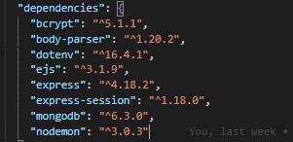

 | Step 12 : | And Run to Check Your process
 |  |  | npm run dev

 | Step 14 : | Confirm to check depentance for package.json File

 | Step 15 : | Click to Below url tocheck your screen for your Browser
 |  |  | http://localhost:3000/login

 | Step 16 : | You can see the output And Enter wrong Infirmation And Click Login for this below
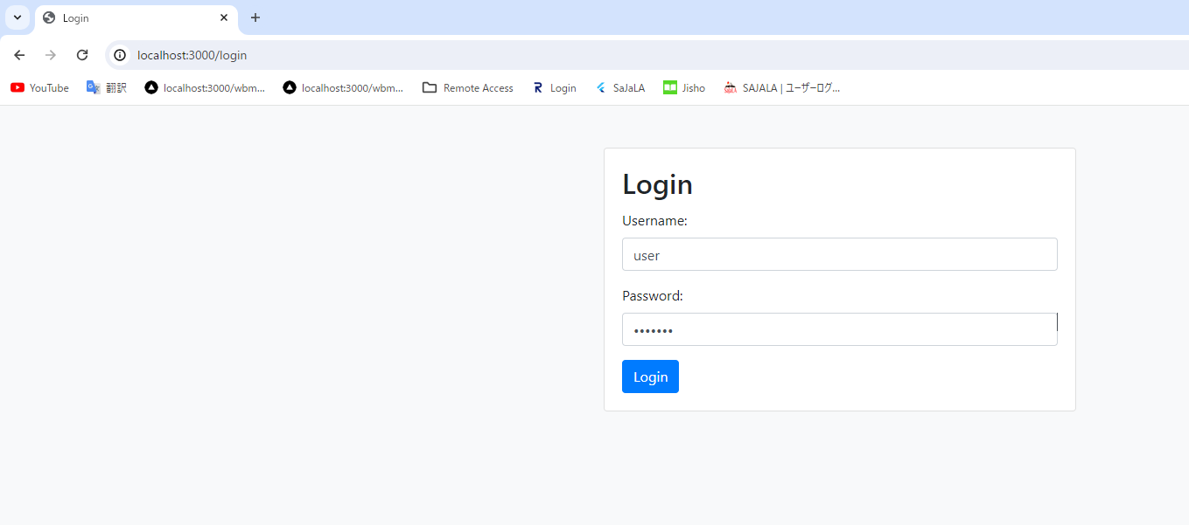

 | Step 17 : | After entering the wrong information and clicking on login below you will see the below screen.

 | Step 18 : | clicking on Back to Home below you will see the below screen.
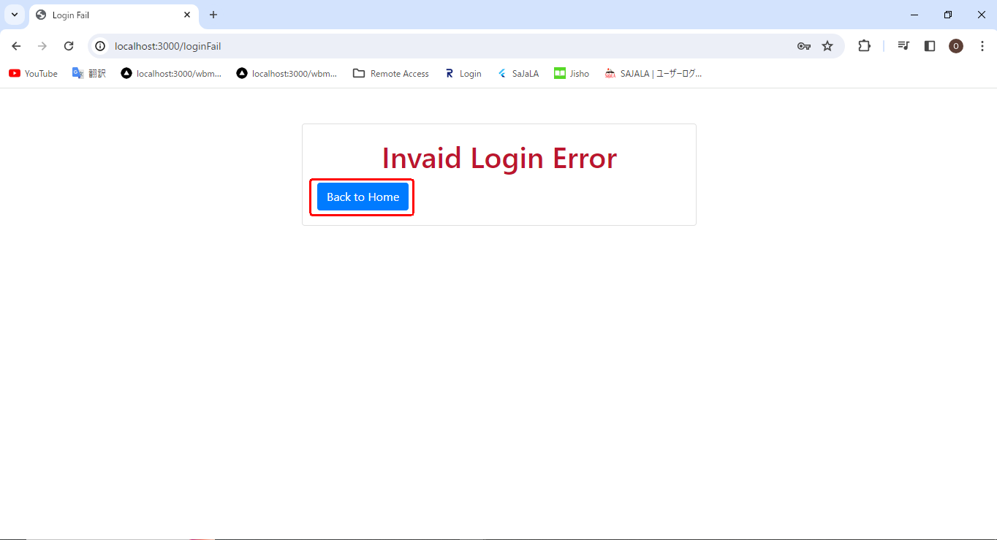


 |  |  |  |  | →

 | Step 19 : | After entering the correct information and clicking on login below you will see the below screen.


 | Step 18 : | clicking on Back to Home below you will see the below screen.



 |  |  |  |  | →

 | Step 18 : | clicking on Click to LOGOUT below you will see the below screen.
 |  | This Button click will be remove for Session in your project



 |  |  |  |  | →

